Simplified list
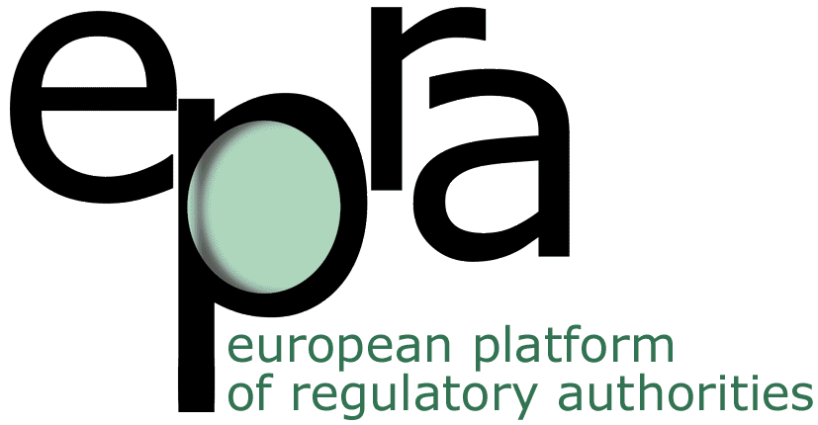 |  |  | Simplified list of EPRA members' initiatives in response of the Covid-19 pandemic (from March to September 2020) |  |  |  |  |  | Last updated: September 2020
Country | NRA | Communications on social networks | Financial help to AV sector | Recommendations to the government | Research/analysis project | Recommendations to AV sector | Flexibility in regulation, postponement or deadlines | Announcement of adaptation of services (home office…) | Collaboration with external | Special direct communication to citizens | Details
 | AL - AMA | No | No | No | No | Yes | Yes | Yes | No | No
 | AM - CTR | No | No | No | No | No | No | Yes | No | Yes
 | AT - RTR | No | No | No | No | No | Yes | No | No | Yes | Top tips for Internet and mobile phone users
 | AZ - RTRC | No | No | No | No | No | No | Yes | No | No
 | BA - CRA | Yes | No | No | No | Yes | No | No | Yes | Yes
 | BE - CSA | Yes | No | No | Yes | No | No | Yes | No | Yes | Support message to the AV industry + investigation on the impact of the crisis on AV sector
 | BE - VRM | Yes | No | No | No | No | Yes | Yes | No | No
 | BE - Medienrat | No | No | No | No | No | No | No | No | No
 | BG - CEM | No | No | No | No | Yes | No | Yes | No | No
 | CH - OFCOM | Yes | Yes | No | No | No | No | No | No | Yes | Advice to manage Internet connection Twitter: only retweet of cancelation event
 | CH - AIEP | No | No | No | No | No | No | No | No | No
 | CY - CRTA | Yes | No | No | No | Yes | No | Yes | Yes | No
 | CZ - RRTV | No | No | No | No | Yes | No | Yes | No | No
 | DE - DLM | Yes | No | Yes | Yes | No | Yes | Yes | No | No
 | DK - SLKS | Yes | Yes | No | No | No | Yes | Yes | No | No | Financial measures taken by the Government On social network (Facebook): only cultural initiatives
 | EE - CTRA | Yes | No | No | No | No | No | Yes | No | Yes | Communications to citizens through the protection of the consumers' authority.
 | ES - CAA | Yes | No | No | Yes | Yes | No | No | No | No
 | ES - CAC | Yes | No | No | No | Yes | No | No | No | Yes | MIL Campaign
 | ES - CNMC | Yes | No | No | No | No | Yes | Yes | No | Yes | Special page on the website
 | FI - Traficom | Yes | No | No | No | No | No | Yes | No | No
 | FR - CSA | Yes | No | No | Yes | Yes | Yes | Yes | Yes | Yes | Promotion of the cultural offer - Advices for parents in lock-down (participation of csa)
 | GB - Ofcom | Yes | Yes | No | Yes | Yes | Yes | Yes | No | Yes | Discussion with the Government to postpone some implementations
 | GE - GNCC | Yes | No | No | No | Yes | No | Yes | No | No
 | GI - GRA | Yes | No | No | No | No | No | Yes | No | No | Just an email address to contact due to the closure of the offices. Social networks: essentially on Covid-19 and Data protection
 | GR - NCRT | No | No | No | No | No | No | Yes | No | Yes | Announcements related to products falsely presented as protecting against Coronavirus.
 | HR - AEM | No | Yes | No | No | Yes | Yes | Yes | Yes | No | Link to awareness campaign and encourage AV actors to broadcast it.
 | HU - NMHH | Yes | No | Yes | No | Yes | Yes | No | No | Yes | Advice to internet users
 | IE - BAI | Yes | Yes | No | Yes | No | Yes | Yes | Yes | Yes | MIL tools to citizens through the MIL network created by the BAI
 | IL - CCSB | Yes | No | No | No | No | No | No | No | Yes | Government's guidelines and information
 | IL - SATR | No | No | No | No | No | Yes | No | No | No
 | IM - IOMCC | Yes | No | No | No | No | No | Yes | No | No
 | IS - IMC | Yes | No | Yes | No | No | No | No | No | No
 | IT - AGCOM | Yes | Yes | No | Yes | Yes | Yes | Yes | Yes | Yes | Some tips to use Internet
 | LI - AK | No | No | No | No | No | No | Yes | No | No
 | LT - RTCL | No | No | No | No | No | No | Yes | No | No
 | LU - ALIA | No | No | No | No | No | No | No | No | No
 | LV - NEPLP | Yes | Yes | Yes | No | Yes | Yes | Yes | No | No
 | MD - CA | No | No | No | No | Yes | No | Yes | No | No | Financial support of the medical system
 | ME - AEM | Yes | Yes | No | Yes | Yes | Yes | No | No | No
 | MK - AAAMS - | Yes | Yes | Yes | No | Yes | No | No | No | No
 | MT - MBA | Yes | No | No | No | Yes | No | No | No | No
 | NL - CvdM | No | No | No | No | No | No | Yes | No | No
 | NO - NMA | Yes | Yes | No | Yes | No | Yes | No | Yes | Yes | MIL Campaign
 | PL - KRRit | No | No | No | No | Yes | Yes | Yes | No | No
 | PT -ERC | Yes | No | No | No | Yes | Yes | No | Yes | Yes
 | RO - CNA | No | No | No | No | Yes | No | No | No | No
 | RS - REM | No | No | No | No | Yes | Yes | Yes | No | No
 | SE - MPRT | No | Yes | No | No | No | Yes | No | No | No | Financial support from the State
 | SE - SMC | Yes | No | No | No | No | No | No | Yes | Yes
 | SI - AKOS | No | No | No | No | No | Yes | Yes | No | No
 | SK - CBR | Yes | No | Yes | No | Yes | Yes | No | Yes | No | Organisation of webinar on misinformation with stakeholders
 | TR - RTUK | Yes | No | No | No | Yes | Yes | No | No | No
 | UA - NRADA | Yes | No | No | No | Yes | Yes | Yes | Yes | No
 | XK - IMC | No | No | No | No | Yes | Yes | No | No | No
 | Total | 32 | 11 | 6 | 9 | 26 | 25 | 31 | 11 | 18

